BINARY INVESTMENT DECISION
BINARY INVESTMENT DECISION
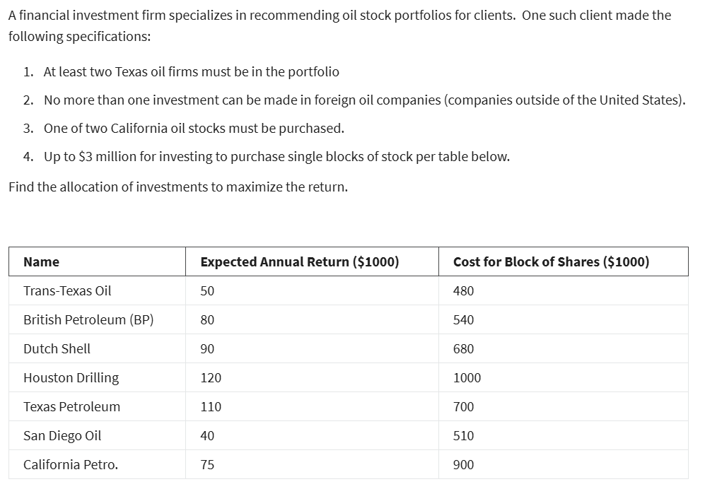

NAME | TRANS-TEXAS OIL | BP | DUTCH SHELL | HOUSTON DRILLING | TEXAS PETROLEUM | SAN DIEGO OIL | CALIFORNIA PETRO |  |  |  | CALIFORNIA PETRO.
EXPECTED ANNUAL RETURN($1000) | 50 | 80 | 90 | 120 | 110 | 40 | 75 |  |  |  | 75
COST OF BLOCK OF SHARES($1000) | 480 | 540 | 680 | 1000 | 700 | 510 | 900 |  |  |  | 900
VAR | X1 | X2 | X3 | X4 | X5 | X6 | X7 |  |  |  | X7
(0,1) | 0 | 0 | 1 | 1 | 1 | 1 | 0
EXPECTED ANNUAL RETURN($1000) | $0 | $0 | $90,000 | $120,000 | $110,000 | $40,000 | $0 | $360,000
COST OF BLOCK OF SHARES($1000) | $0 | $0 | $680,000 | $1,000,000 | $700,000 | $510,000 | $0 | $2,890,000

CONSTRAINTS | X1 | X2 | X3 | X4 | X5 | X6 | X7 | LHS | SIGN | RHS
2 TEXAS OIL ATLEAST | 1 |  |  | 1 | 1 |  |  | 2 | >= | 2
FOREIGN OIL NO MORE THAN 1 |  | 1 | 1 |  |  |  |  | 1 | <= | 1
ONE OF 2 CA |  |  |  |  |  | 1 | 1 | 1 | = | 1
BUDGET | 480000 | 540000 | 680000 | 1000000 | 700000 | 510000 | 900000 | 2890000 | <= | 3000000

LP SIMPLEX INTEGER MODEL SOLUTION
X1 | 0
X2 | 0
X3 | 1
X4 | 1
X5 | 1
X6 | 1
X7 | 0
MAX RETURN | $360,000.00

